Sheet1
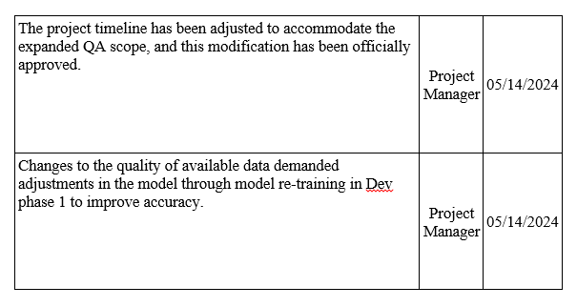
Project Name | Real-Time Meal Recommendation | Strategic Driver | To deliver high levels of personalization to amplify customer satisfaction and loyalty to attain sustainable business outcomes. | 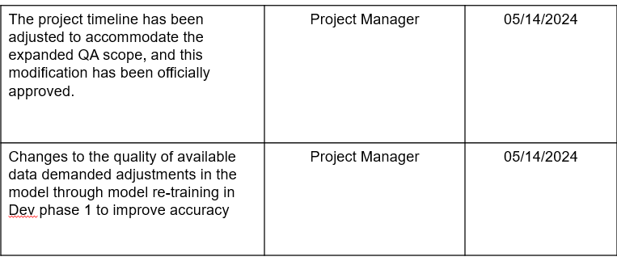 | Overall Status | A
Date | 12/05/2023 | Costs | 3216000 USD 60% spent; 40% remaining(On Track) |  | Accomplishments
Project Timeline | 01/03/2024 - 05/21/2024 |  |  |  | • Successfully completed Milestone1,2 & 3 • Significant progress made towards recommendation enhancements as part of Milestone5 • 50% of Project Plan Completed

Schedule | Scope | Budget | Quality
A | R | G | R

Task/Milestone | Target Date | Detail | Status |  | Approved Changes | Owner | Due Date
Dev Phase 1: Basic Real-time algorithm | 02/06/2024 | Real Time Recommendation Algorithm, Trained Model Evaluation, Store and customize preference,Collaborative Filter Algorithm | Done
Dev Phase 2: UI/UX and Feedback logic have been developed and tested but in independent capacity | 03/05/2024 | Like/Dislike feature, Store & Apply the user feedback, UI development | Done
Dev Phase 3 : Integeration & communication of all components | 04/09/2024 | API communication, Deployment, Sponsored section, Error Handling | Done
QA Phase 1 and defect(bug fixes) re-testing | 04/23/2024 | Manual/automation testing and re-testing of bugs in all Dev phases | On Hold
Dev Phase 4 : Enhancements, optimization and compatibility of the overall system | 05/09/2024 | Model Optimization, Responsive UI, Feedback loop enhancements, Mobile App, Cross-Device Compataiblity | In Progress
QA Phase 2 and defect re-testing | 05/14/2024 | Automation/Manual testing and re-testing of bugs in Dev phase 4 | TODO
Regression complete and UAT sign off | 05/21/2024 | Execute all test modules on UAT and provide sign off to Manager | TODO

Risk | Mitigation Plan |  | Approval Status |  | Next Steps
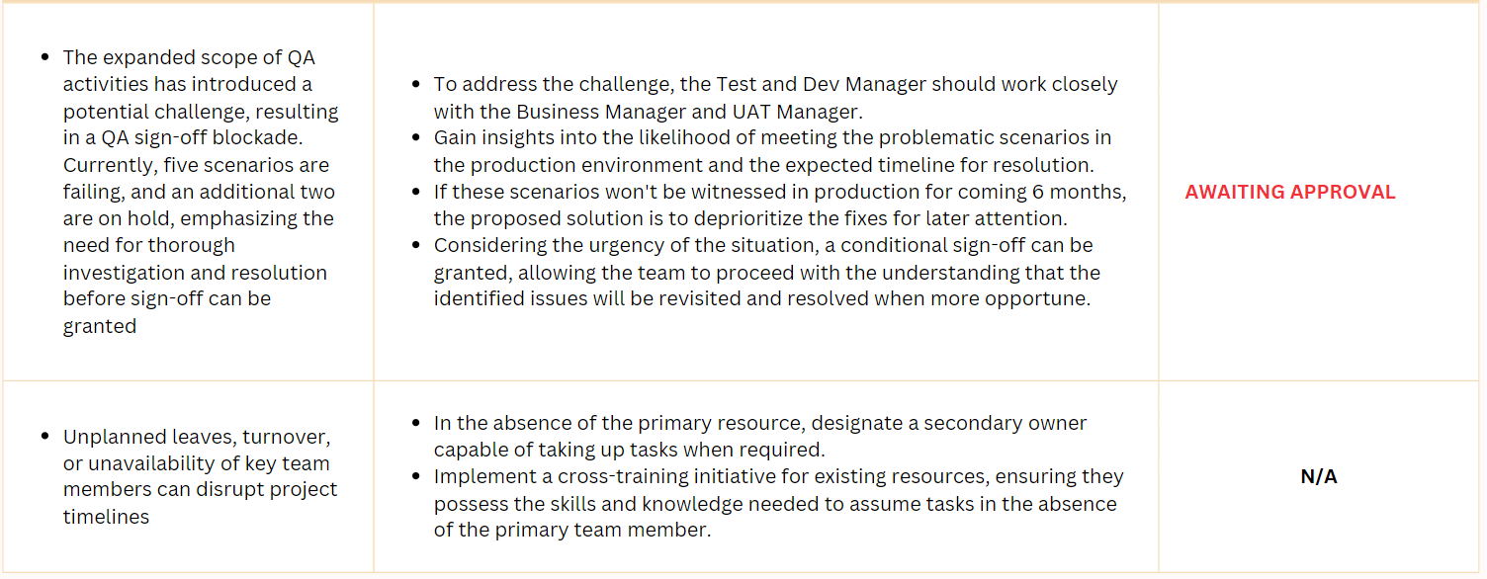 |  |  |  |  | 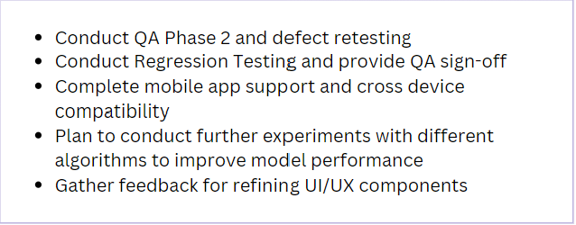

Sheet3
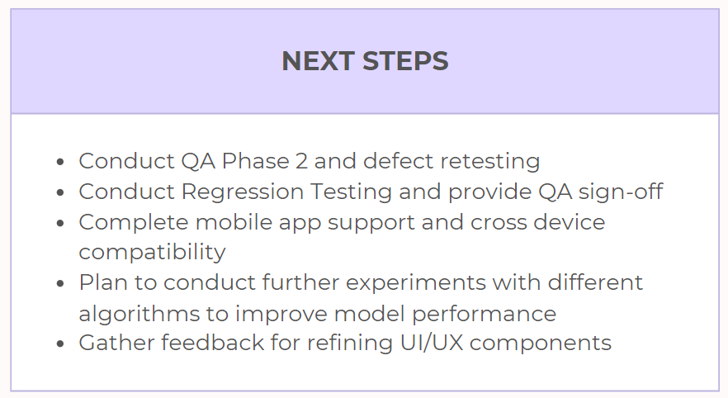

Sheet2
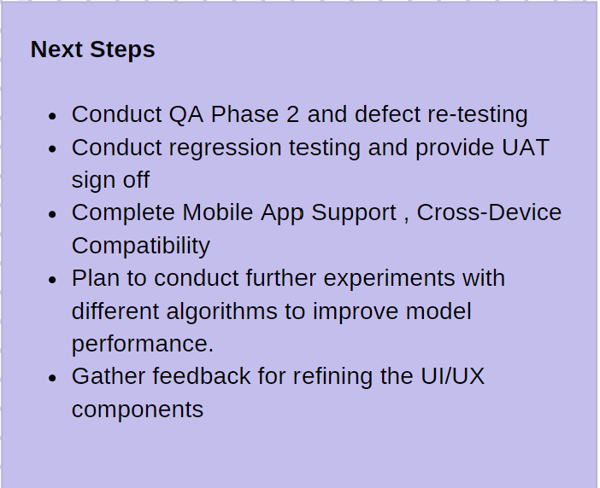
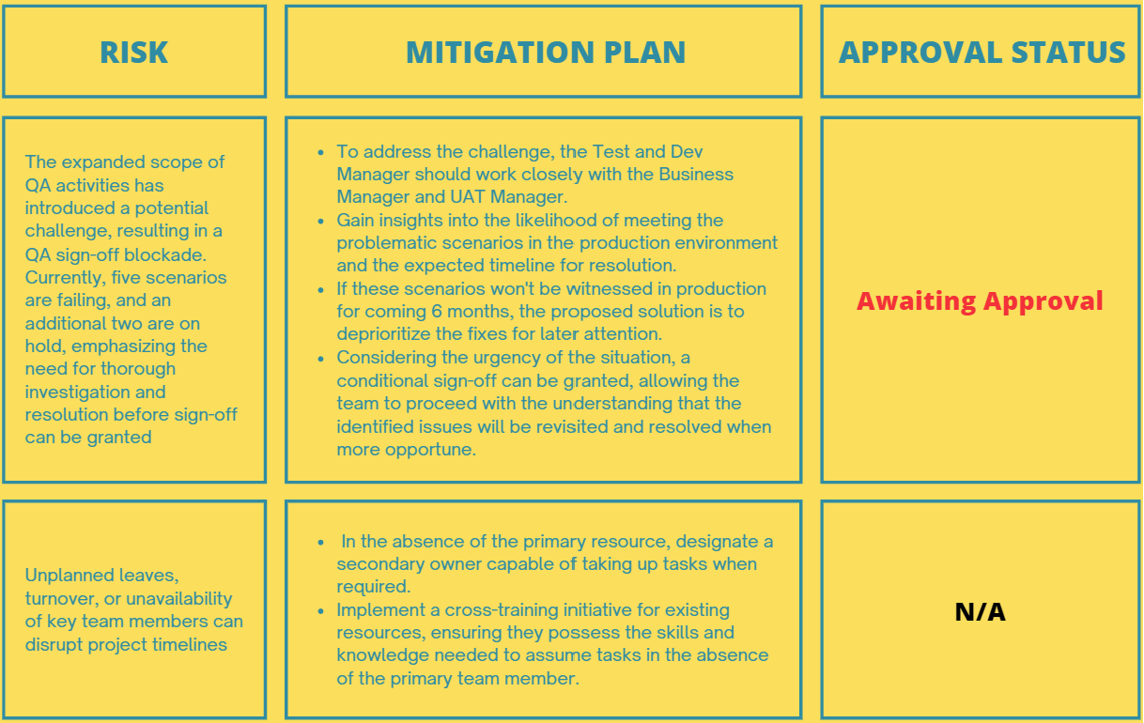
Risk | Mitigation Plan | Mitigation Status
The expanded scope of QA activities has introduced a potential challenge, resulting in a QA sign-off blockade. Currently, five scenarios are failing, and an additional two are on hold, emphasizing the need for thorough investigation and resolution before sign-off can be granted | • To address the challenge, the Test and Dev Manager should work closely with the Business Manager and UAT Manager. • Gain insights into the likelihood of meeting the problematic scenarios in the production environment and the expected timeline for resolution. • If these scenarios won't be witnessed in production for coming 6 months, the proposed solution is to deprioritize the fixes for later attention. • Considering the urgency of the situation, a conditional sign-off can be granted, allowing the team to proceed with the understanding that the identified issues will be revisited and resolved when more opportune. | Waiting Approval
Unplanned leaves, turnover, or unavailability of key team members can disrupt project timelines | • In the absence of the primary resource, designate a secondary owner capable of taking up tasks when required. • Implement a cross-training initiative for existing resources, ensuring they possess the skills and knowledge needed to assume tasks in the absence of the primary team member.

